excel_tabulado
 |  |  | GWA3 | Generalized | Wind | Climate<coordinates>41.472831,9.549866,0.0</coordinates>
 |  |  | 5 | 5 | 12
 |  | roughness | 0 | 0.03 | 0.1 | 0.4 | 1.5
 |  | hub heights | 10 | 50 | 100 | 150 | 200
 | roughness length | hub height
OUR Roughness | 0m |  | frequency per sector | 951.84 | 1058.88 | 498.03 | 489.03 | 568.11 | 579.11 | 394.87 | 354.73 | 1787.74 | 2627.56 | 368.24 | 321.86
0.002 |  | 10m | c[m/s] | 6.49 | 6.94 | 3.36 | 3.66 | 3.65 | 4.5 | 4.83 | 4.15 | 9.08 | 10.87 | 2.71 | 2.67
years of operation |  |  | k | 1.475 | 1.549 | 1.068 | 1.26 | 1.232 | 1.24 | 1.33 | 1.334 | 2.096 | 2.248 | 0.752 | 0.877
20 |  | 50m | c[m/s] | 7.77 | 8.28 | 4.09 | 4.41 | 4.41 | 5.43 | 5.8 | 4.99 | 10.67 | 12.65 | 3.26 | 3.29
 |  |  | k | 1.607 | 1.682 | 1.158 | 1.365 | 1.342 | 1.354 | 1.447 | 1.451 | 2.232 | 2.338 | 0.783 | 0.943
 |  | 100m | c[m/s] | 8.54 | 9.07 | 4.56 | 4.87 | 4.88 | 6 | 6.4 | 5.5 | 11.53 | 13.54 | 3.6 | 3.74 | c[m/s] | 10.14900189
 |  |  | k | 1.768 | 1.846 | 1.268 | 1.498 | 1.475 | 1.482 | 1.588 | 1.592 | 2.393 | 2.443 | 0.814 | 1.029 | k | 2.123938322
 |  | 150 m | c[m/s] | 8.82 | 9.18 | 4.49 | 4.8 | 5.35 | 6.23 | 6.09 | 5.51 | 11.42 | 14.05 | 3.81 | 3.31
 |  |  | k | 1.729 | 1.803 | 1.229 | 1.416 | 1.521 | 1.451 | 1.393 | 1.502 | 2.174 | 2.537 | 0.803 | 0.896
 |  | 200m | c[m/s] | 8.69 | 9.21 | 4.62 | 4.6 | 5.66 | 6.42 | 6.03 | 5.25 | 11.19 | 14.23 | 4.04 | 3.35
 |  |  | k | 1.623 | 1.787 | 1.256 | 1.342 | 1.557 | 1.482 | 1.303 | 1.354 | 2.092 | 2.529 | 0.787 | 0.889
 | 0.03m |  | frequency per sector | 1217.41 | 793.84 | 446.75 | 524.52 | 584.47 | 561.1 | 328.82 | 437.8 | 3012.08 | 1295.52 | 336.03 | 461.65
 |  | 10m | c[m/s] | 5.04 | 3.63 | 2.34 | 2.55 | 2.54 | 3.22 | 2.9 | 3.05 | 7.27 | 7.12 | 1.94 | 2.31
 |  |  | k | 1.365 | 1.08 | 0.975 | 1.08 | 1.033 | 1.025 | 1.139 | 0.943 | 2.033 | 1.639 | 0.697 | 0.814
 |  | 50m | c[m/s] | 7.2 | 5.36 | 3.51 | 3.76 | 3.77 | 4.78 | 4.25 | 4.59 | 9.8 | 9.51 | 2.81 | 3.57 |  |  |  |  |  |  |  |  |  |  | hours in a year | 8760
 |  |  | k | 1.65 | 1.303 | 1.17 | 1.307 | 1.244 | 1.232 | 1.377 | 1.135 | 2.299 | 1.787 | 0.76 | 0.967
 |  | 100m | c[m/s] | 8.67 | 6.6 | 4.38 | 4.63 | 4.67 | 5.93 | 5.21 | 5.76 | 11.29 | 10.86 | 3.46 | 4.59 | c[m/s] | 9.31715135
 |  |  | k | 2.029 | 1.604 | 1.436 | 1.611 | 1.529 | 1.521 | 1.701 | 1.393 | 2.623 | 1.971 | 0.838 | 1.178 | k | 2.211857737
 |  | 150 m | c[m/s] | 9.39 | 7.24 | 4.46 | 5.09 | 5.46 | 6.6 | 5.21 | 5.93 | 12.17 | 11.97 | 3.89 | 4.83 |  |  |  |  | 1m/s interval | v1 | v2 | avg WS | Freq>v1 | freq>v2 | bin freq (%) | hours per year
 |  |  | k | 2.107 | 1.748 | 1.432 | 1.658 | 1.775 | 1.607 | 1.604 | 1.369 | 2.854 | 2.295 | 0.869 | 1.139 |  |  |  |  |  | 0 | 1.5 | 0.75 | 1 | 0.9829121035 | 1.708789649 | 149.6899732
 |  | 200m | c[m/s] | 9.75 | 7.75 | 4.78 | 5.35 | 5.91 | 6.92 | 5.35 | 6.15 | 12.66 | 12.76 | 4.18 | 4.4 |  |  |  |  |  | 1.5 | 2.5 | 2 | 0.9829121035 | 0.9502732276 | 3.263887594 | 285.9165532
 |  |  | k | 1.99 | 1.775 | 1.428 | 1.553 | 1.744 | 1.537 | 1.475 | 1.33 | 2.744 | 2.385 | 0.85 | 0.986 |  |  |  |  |  | 2.5 | 3.5 | 3 | 0.9502732276 | 0.9010195216 | 4.925370597 | 431.4624643
 | 0.1m |  | frequency per sector | 1217.41 | 793.84 | 446.75 | 524.52 | 584.47 | 561.1 | 330.83 | 435.84 | 3012.04 | 1359.94 | 303.79 | 429.47 |  |  |  |  |  | 3.5 | 4.5 | 4 | 0.9010195216 | 0.8371542908 | 6.386523079 | 559.4594217
 |  | 10m | c[m/s] | 4.45 | 3.23 | 2.09 | 2.27 | 2.26 | 2.87 | 2.6 | 2.71 | 6.37 | 6.19 | 1.27 | 2.07 |  |  |  |  |  | 4.5 | 5.5 | 5 | 0.8371542908 | 0.7616945142 | 7.545977663 | 661.0276433
 |  |  | k | 1.408 | 1.115 | 1.006 | 1.115 | 1.064 | 1.057 | 1.166 | 0.971 | 2.088 | 1.65 | 0.654 | 0.83 |  |  |  |  |  | 5.5 | 6.5 | 6 | 0.7616945142 | 0.6783123141 | 8.338220014 | 730.4280732
 |  | 50m | c[m/s] | 6.61 | 4.93 | 3.24 | 3.46 | 3.47 | 4.41 | 3.95 | 4.21 | 9.01 | 8.68 | 2.14 | 3.29 |  |  |  |  |  | 6.5 | 7.5 | 7 | 0.6783123141 | 0.5909574326 | 8.735488143 | 765.2287614
 |  |  | k | 1.666 | 1.318 | 1.186 | 1.322 | 1.256 | 1.248 | 1.385 | 1.146 | 2.326 | 1.787 | 0.756 | 0.967 |  |  |  |  |  | 7.5 | 8.5 | 8 | 0.5909574326 | 0.5034883298 | 8.746910281 | 766.2293406
 |  | 100m | c[m/s] | 7.99 | 6.09 | 4.04 | 4.27 | 4.31 | 5.47 | 4.85 | 5.27 | 10.47 | 10.02 | 2.86 | 4.22 | c[m/s] | 8.646618742 |  |  |  | 8.5 | 9.5 | 9 | 0.5034883298 | 0.4193507626 | 8.413756721 | 737.0450888
 |  |  | k | 1.998 | 1.584 | 1.416 | 1.588 | 1.51 | 1.502 | 1.666 | 1.369 | 2.615 | 1.943 | 0.885 | 1.15 | k | 2.198680094 |  |  |  | 9.5 | 10.5 | 10 | 0.4193507626 | 0.3413370081 | 7.801375447 | 683.4004892
 |  | 150 m | c[m/s] | 8.66 | 6.68 | 4.12 | 4.71 | 5.04 | 6.09 | 4.83 | 5.44 | 11.3 | 11.06 | 3.08 | 4.42 |  |  |  |  |  | 10.5 | 11.5 | 11 | 0.3413370081 | 0.2714453801 | 6.9891628 | 612.2506612
 |  |  | k | 2.084 | 1.732 | 1.42 | 1.646 | 1.76 | 1.596 | 1.584 | 1.35 | 2.838 | 2.205 | 0.908 | 1.111 |  |  |  |  |  | 11.5 | 12.5 | 12 | 0.2714453801 | 0.2108433606 | 6.060201953 | 530.8736911
 |  | 200m | c[m/s] | 8.99 | 7.14 | 4.41 | 4.93 | 5.45 | 6.37 | 4.95 | 5.64 | 11.75 | 11.8 | 3.16 | 3.92 |  |  |  |  |  | 12.5 | 13.5 | 13 | 0.2108433606 | 0.1599224795 | 5.092088108 | 446.0669182
 |  |  | k | 1.975 | 1.756 | 1.412 | 1.541 | 1.729 | 1.525 | 1.451 | 1.318 | 2.729 | 2.299 | 0.865 | 0.955 |  |  |  |  |  | 13.5 | 14.5 | 14 | 0.1599224795 | 0.1184219314 | 4.150054811 | 363.5448014
 | 0.4m |  | frequency per sector | 1208.88 | 803.81 | 441.24 | 533.64 | 575.33 | 531.29 | 336.76 | 461.09 | 2994.87 | 1334.82 | 303.7 | 474.56 |  |  |  |  |  | 14.5 | 15.5 | 15 | 0.1184219314 | 0.0855923557 | 3.282957571 | 287.5870832
 |  | 10m | c[m/s] | 3.57 | 2.56 | 1.58 | 1.81 | 1.85 | 2.42 | 2.06 | 2.33 | 5.05 | 4.95 | 1.05 | 1.52 |  |  |  |  |  | 15.5 | 16.5 | 16 | 0.0855923557 | 0.06037131877 | 2.522103693 | 220.9362835
 |  |  | k | 1.471 | 1.139 | 0.971 | 1.15 | 1.119 | 1.139 | 1.201 | 1.1 | 2.17 | 1.721 | 0.678 | 0.818 |  |  |  |  |  | 16.5 | 17.5 | 17 | 0.06037131877 | 0.04154670942 | 1.882460935 | 164.9035779
 |  | 50m | c[m/s] | 5.8 | 4.26 | 2.68 | 3.01 | 3.09 | 4.04 | 3.42 | 3.89 | 7.88 | 7.67 | 1.9 | 2.64 |  |  |  |  |  | 17.5 | 18.5 | 18 | 0.04154670942 | 0.02789167575 | 1.365503366 | 119.6180949
 |  |  | k | 1.709 | 1.322 | 1.119 | 1.338 | 1.299 | 1.322 | 1.396 | 1.275 | 2.389 | 1.842 | 0.771 | 0.936 |  |  |  |  |  | 18.5 | 19.5 | 19 | 0.02789167575 | 0.01826291667 | 0.9628759087 | 84.34792961
 |  | 100m | c[m/s] | 7.11 | 5.32 | 3.41 | 3.76 | 3.87 | 5.05 | 4.25 | 4.88 | 9.35 | 9.04 | 2.54 | 3.43 | c[m/s] | 7.671540647 |  |  |  | 19.5 | 20.5 | 20 | 0.01826291667 | 0.01166144099 | 0.660147568 | 57.82892696
 |  |  | k | 2.002 | 1.549 | 1.307 | 1.564 | 1.521 | 1.549 | 1.639 | 1.498 | 2.643 | 1.982 | 0.881 | 1.088 | k | 2.202479132 |  |  |  | 20.5 | 21.5 | 21 | 0.01166144099 | 0.007260273368 | 0.4401167619 | 38.55422835
 |  | 150 m | c[m/s] | 7.72 | 5.93 | 3.55 | 4.21 | 4.64 | 5.6 | 4.24 | 4.89 | 10.17 | 10.05 | 2.75 | 3.53 |  |  |  |  |  | 21.5 | 22.5 | 22 | 0.007260273368 | 0.004406637899 | 0.2853635468 | 24.9978467
 |  |  | k | 2.061 | 1.701 | 1.354 | 1.623 | 1.799 | 1.619 | 1.541 | 1.381 | 2.834 | 2.221 | 0.9 | 1.033 |  |  |  |  |  | 22.5 | 23.5 | 23 | 0.004406637899 | 0.002607071603 | 0.1799566296 | 15.76420076
 |  | 200m | c[m/s] | 8.02 | 6.37 | 3.81 | 4.39 | 5.02 | 5.87 | 4.46 | 4.95 | 10.57 | 10.82 | 2.8 | 3.67 |  |  |  |  |  | 23.5 | 24.5 | 24 | 0.002607071603 | 0.001503244786 | 0.1103826817 | 9.669522917
 |  |  | k | 1.947 | 1.732 | 1.357 | 1.514 | 1.771 | 1.545 | 1.447 | 1.314 | 2.705 | 2.326 | 0.854 | 0.998 |  |  |  |  |  | 24.5 | 25.5 | 25 | 0.001503244786 | 0.0008446557772 | 0.06585890086 | 5.769239715
 | 1.5 |  | frequency per sector | 1251.24 | 607.62 | 453.89 | 545.19 | 584 | 488.86 | 335.28 | 748.7 | 3307.4 | 735.86 | 301.29 | 640.66 |  |  |  |  |  | 3. Available energy generated calculation |  |  |  |  | 99.91553442 | 8752.600815
 |  | 10m | c[m/s] | 2.42 | 1.37 | 1.19 | 1.25 | 1.38 | 1.59 | 1.36 | 2.11 | 3.41 | 2.77 | 0.7 | 1.68 |  |  |  |  |  | For a given air density, power coefficient and rotor diameter, calculate the energy generated in each interval.

 |  |  | k | 1.553 | 1.049 | 1.174 | 1.209 | 1.186 | 1.166 | 1.256 | 1.369 | 2.291 | 1.217 | 0.686 | 1.104
 |  | 50m | c[m/s] | 4.79 | 2.8 | 2.41 | 2.52 | 2.79 | 3.21 | 2.73 | 4.22 | 6.51 | 5.24 | 1.51 | 3.41 |  |  |  |  | z (our chosen hub height) | 92 | m (sealevel)
 |  |  | k | 1.783 | 1.197 | 1.346 | 1.385 | 1.361 | 1.338 | 1.439 | 1.572 | 2.498 | 1.26 | 0.768 | 1.264 |  |  |  |  | standard sea pressure | 101325 | Pa
 |  | 100m | c[m/s] | 6.09 | 3.65 | 3.11 | 3.24 | 3.6 | 4.14 | 3.5 | 5.39 | 8.04 | 6.41 | 2.08 | 4.43 | c[m/s] | 6.529423872 |  |  | Temperature | 287.402 | k
 |  |  | k | 2.049 | 1.373 | 1.549 | 1.596 | 1.564 | 1.537 | 1.658 | 1.818 | 2.729 | 1.307 | 0.869 | 1.455 | k | 2.255714412 |  |  | R (specific gas constant) | 287.04 | J/Kg*K
 |  | 150 m | c[m/s] | 6.71 | 3.98 | 3.24 | 3.77 | 4.17 | 4.55 | 3.65 | 5.62 | 8.9 | 7.64 | 2.23 | 5.26 |  |  |  |  | g (gravitational constant) | 9.81 | m/s*s
 |  |  | k | 2.076 | 1.42 | 1.455 | 1.674 | 1.732 | 1.49 | 1.553 | 1.689 | 2.932 | 1.471 | 0.854 | 1.58
 |  | 200m | c[m/s] | 7.14 | 4.26 | 3.3 | 4.15 | 4.36 | 4.92 | 3.61 | 5.71 | 9.42 | 8.29 | 2.26 | 4.83
 |  |  | k | 2.018 | 1.455 | 1.361 | 1.678 | 1.619 | 1.479 | 1.373 | 1.537 | 2.861 | 1.557 | 0.807 | 1.279 |  |  |  |  | mean wind speed | 8.988190816
 |  |  |  |  |  |  |  |  |  |  |  |  |  |  |  |  |  |  |  |  |  |  | air density(formula in sides)
 |  |  |  |  |  |  |  |  |  |  |  |  |  |  |  |  |  |  |  |  |  |  | Rho | 1.214879331 | the power curve from the manufacturer is noraliced to ro 1,25, we need to extrapolate with a formula
 |  |  |  |  |  |  |  |  |  |  |  |  |  |  |  |  |  |  |  |  |  |  |  |  | the formula is supposed to be found in IEC 61400-12-1
 |  |  |  |  |  |  |  |  |  |  |  |  |  |  |  |  |  |  |  |  |  |  | standard rho | 1.225

 |  |  |  |  |  |  |  | Power curve from https://www.thewindpower.net/turbine_fr_1558_siemens-gamesa_sg-8.0-167-dd.php |  |  |  |  |  |  |  |  |  |  |  |  |  | power coeficient (CP)
 |  |  |  |  | m/s |  |  |  |  |  |  |  |  |  |  |  |  |  |  |  |  | the power you can estract (power curve) divided by the potential
 |  |  |  | Vcut-in | >3 |  |  | wind speed [m/s] | Power Kw |  | Corrected Power KW for rho= 1.21 with simple scalation |  | to calculate CP Teoretical power |  | Cp (i dont think we need it but here it is) |  | money per wind speed
 |  |  |  | Vcut-out | >25 |  |  | 0 | 0 |  | 0 |  | 0 |  |  |  | 0.00 €
 |  |  |  |  |  |  |  | 0.5 | 0 |  | 0 |  | 1663.167479 |  | 0 |  | 0.00 € |  |  | OUR TURBINE | SG 8.0-167 DD |  | link of the caracterisics turbine : |  |  | https://www.thewindpower.net/turbine_fr_1558_siemens-gamesa_sg-8.0-167-dd.php
 |  |  |  |  |  |  |  | 1 | 0 |  | 0 |  | 13305.33984 |  | 0 |  | 0.00 €
Power Kw vs wind speed [m/s]
 |  |  |  |  |  |  |  | 1.5 | 0 |  | 0 |  | 44905.52195 |  | 0 |  | 0.00 € |  |  | offshore we consider low turbulence, we would need standard deviation of 10min win data to calculate the turbulence and we dont have it
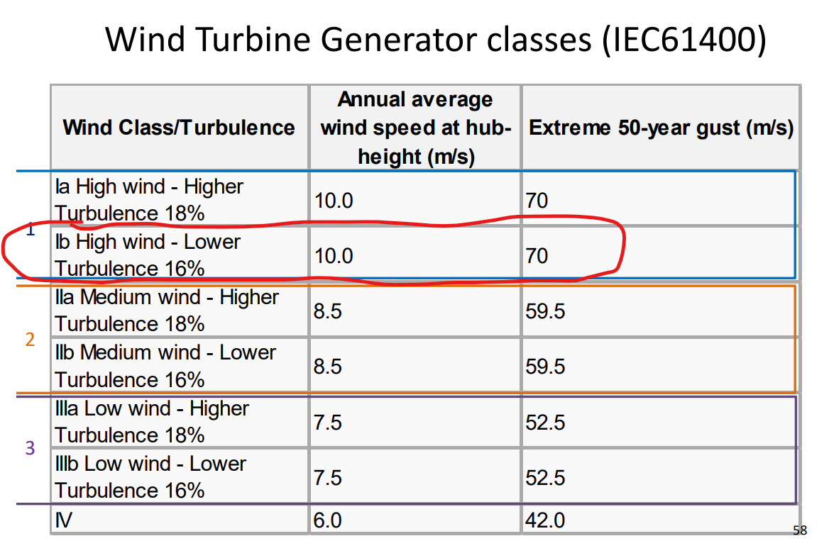
 |  |  |  |  |  |  |  | 2 | 0 |  | 0 |  | 106442.7187 |  | 0 |  | 0.00 €
 |  |  |  |  |  |  |  | 2.5 | 0 |  | 0 |  | 207895.9349 |  | 0 |  | 0.00 €
 |  |  |  |  |  |  |  | 3 | 0 |  | 0 |  | 359244.1756 |  | 0 |  | 0.00 €
 |  |  |  |  |  |  |  | 3.5 | 48 |  | 47.60343502 |  | 570466.4455 |  | 8.344651189E-05 |  | 3.38 €
 |  |  |  |  |  |  |  | 4 | 169 |  | 167.6037608 |  | 851541.7495 |  | 0.0001968238914 |  | 11.89 €
 |  |  |  |  |  |  |  | 4.5 | 350 |  | 347.1083804 |  | 1212449.093 |  | 0.0002862869728 |  | 24.62 €
 |  |  |  |  |  |  |  | 5 | 593 |  | 588.1007702 |  | 1663167.479 |  | 0.0003536028556 |  | 41.71 €
 |  |  |  |  |  |  |  | 5.5 | 930 |  | 922.3165535 |  | 2213675.915 |  | 0.0004166447976 |  | 65.42 €
 |  |  |  |  |  |  |  | 6 | 1307 |  | 1296.201866 |  | 2873953.405 |  | 0.0004510170082 |  | 91.93 €
 |  |  |  |  |  |  |  | 6.5 | 1737 |  | 1722.649305 |  | 3653978.952 |  | 0.0004714447804 |  | 122.18 €
 |  |  |  |  |  |  |  | 7 | 2186 |  | 2167.93977 |  | 4563731.564 |  | 0.0004750366536 |  | 153.76 €
 |  |  |  |  |  |  |  | 7.5 | 2730 |  | 2707.445367 |  | 5613190.243 |  | 0.0004823362918 |  | 192.03 €
 |  |  |  |  |  |  |  | 8 | 3278 |  | 3250.917917 |  | 6812333.996 |  | 0.0004772105887 |  | 230.57 €
 |  |  |  |  |  |  |  | 8.5 | 3980 |  | 3947.118154 |  | 8171141.827 |  | 0.0004830558859 |  | 279.95 €
Cp (i dont think we need it but here it is)
 |  |  |  |  |  |  |  | 9 | 4687 |  | 4648.277082 |  | 9699592.74 |  | 0.0004792239434 |  | 329.68 €
 |  |  |  |  |  |  |  | 9.5 | 5400 |  | 5355.38644 |  | 11407665.74 |  | 0.000469455063 |  | 379.83 €
 |  |  |  |  |  |  |  | 10 | 6112 |  | 6061.504059 |  | 13305339.84 |  | 0.0004555692778 |  | 429.92 €
 |  |  |  |  |  |  |  | 10.5 | 6690 |  | 6634.728756 |  | 15402594.03 |  | 0.000430753985 |  | 470.57 €
 |  |  |  |  |  |  |  | 11 | 7249 |  | 7189.110426 |  | 17709407.32 |  | 0.0004059486744 |  | 509.89 €
 |  |  |  |  |  |  |  | 11.5 | 7570 |  | 7507.458398 |  | 20235758.72 |  | 0.0003709996003 |  | 532.47 € |  |  |  |  | COST of the wind turbine : |  |  | P (Wind turbine Power) | 8000000 | W
 |  |  |  |  |  |  |  | 12 | 7795 |  | 7730.5995 |  | 22991627.24 |  | 0.0003362354226 |  | 548.30 € |  |  |  |  |  |  |  | D (Rotor Diameter) | 167 | m
 |  |  |  |  |  |  |  | 12.5 | 7895 |  | 7829.773323 |  | 25986991.87 |  | 0.00030129587 |  | 555.33 € |  |  |  |  |  |  |  | Area | 21903.96938 | m^2
 |  |  |  |  |  |  |  | 13 | 7947 |  | 7881.343711 |  | 29231831.62 |  | 0.0002696151173 |  | 558.99 € |  |  |  |  |  | we dont have an onshore turbine |  | Cost | 5594439.387 | €
 |  |  |  |  |  |  |  | 13.5 | 7990 |  | 7923.988455 |  | 32736125.5 |  | 0.0002420563929 |  | 562.01 €
 |  |  |  |  |  |  |  | 14 | 8000 |  | 7933.905837 |  | 36509852.51 |  | 0.0002173086247 |  | 562.72 €
 |  |  |  |  |  |  |  | 14.5 | 8000 |  | 7933.905837 |  | 40562991.66 |  | 0.0001955946914 |  | 562.72 €
 |  |  |  |  |  |  |  | 15 | 8000 |  | 7933.905837 |  | 44905521.95 |  | 0.0001766799604 |  | 562.72 €
 |  |  |  |  |  |  |  | 15.5 | 8000 |  | 7933.905837 |  | 49547422.38 |  | 0.0001601275194 |  | 562.72 € |  |  |  |  |  |  |  | LCOE
 |  |  |  |  |  |  |  | 16 | 8000 |  | 7933.905837 |  | 54498671.97 |  | 0.0001455798013 |  | 562.72 €
 |  |  |  |  |  |  |  | 16.5 | 8000 |  | 7933.905837 |  | 59769249.71 |  | 0.0001327422692 |  | 562.72 €
money per wind speed vs wind speed [m/s]
 |  |  |  |  |  |  |  | 17 | 8000 |  | 7933.905837 |  | 65369134.61 |  | 0.0001213708256 |  | 562.72 €
 |  |  |  |  |  |  |  | 17.5 | 8000 |  | 7933.905837 |  | 71308305.68 |  | 0.0001112620158 |  | 562.72 €
 |  |  |  |  |  |  |  | 18 | 8000 |  | 7933.905837 |  | 77596741.92 |  | 0.0001022453474 |  | 562.72 €
 |  |  |  |  |  |  |  | 18.5 | 8000 |  | 7933.905837 |  | 84244422.34 |  | 9.417722404E-05 |  | 562.72 €
 |  |  |  |  |  |  |  | 19 | 8000 |  | 7933.905837 |  | 91261325.93 |  | 8.693612279E-05 |  | 562.72 €
 |  |  |  |  |  |  |  | 19.5 | 8000 |  | 7933.905837 |  | 98657431.71 |  | 8.04187348E-05 |  | 562.72 € |  |  | Proposed LCOE formula in slides
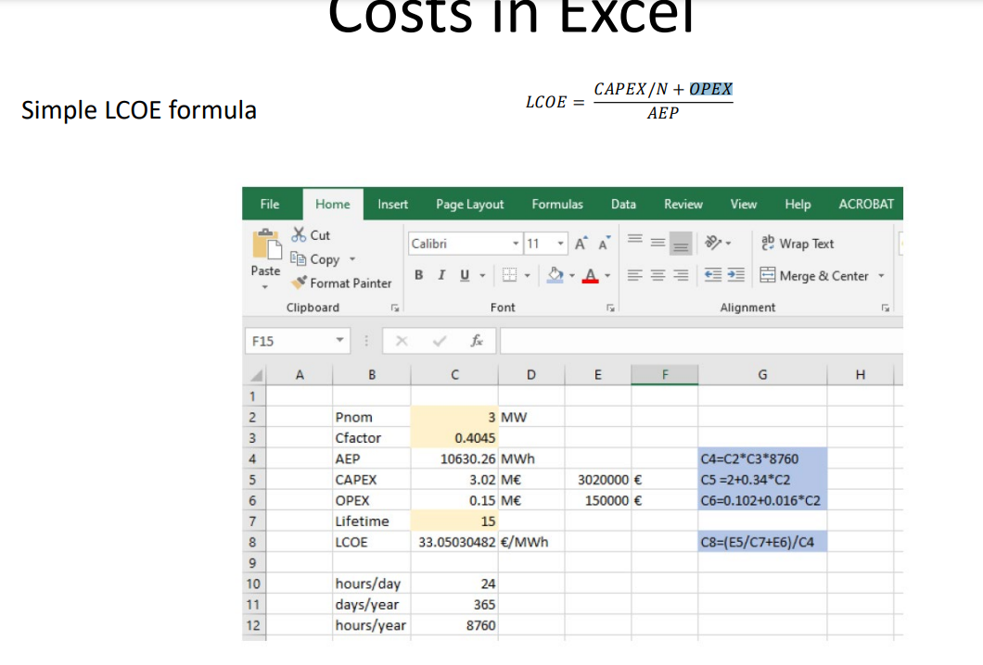
 |  |  |  |  |  |  |  | 20 | 8000 |  | 7933.905837 |  | 106442718.7 |  | 7.453685827E-05 |  | 562.72 €
 |  |  |  |  |  |  |  | 20.5 | 8000 |  | 7933.905837 |  | 114627165.9 |  | 6.921488268E-05 |  | 562.72 € |  |  |  |  |  |  |  | Pnom | 8 | MW
 |  |  |  |  |  |  |  | 21 | 8000 |  | 7933.905837 |  | 123220752.2 |  | 6.438774065E-05 |  | 562.72 € |  |  |  |  |  |  |  | Cfactor | 0.4135254592 | %uno
 |  |  |  |  |  |  |  | 21.5 | 8000 |  | 7933.905837 |  | 132233456.8 |  | 5.999923189E-05 |  | 562.72 € |  |  |  |  |  |  |  | AEP | 28979.86418 | Mwh
 |  |  |  |  |  |  |  | 22 | 8000 |  | 7933.905837 |  | 141675258.6 |  | 5.600064483E-05 |  | 562.72 € |  |  |  |  |  |  |  | CAPEX | 5.44 | Million € | 5440000
 |  |  |  |  |  |  |  | 22.5 | 8000 |  | 7933.905837 |  | 151556136.6 |  | 5.234961788E-05 |  | 562.72 € |  |  |  |  |  |  |  | OPEX | 0.23 | Million € | 230000
 |  |  |  |  |  |  |  | 23 | 8000 |  | 7933.905837 |  | 161886069.8 |  | 4.900919423E-05 |  | 562.72 € |  |  |  |  |  |  |  | Lifetime | 22 | years
 |  |  |  |  |  |  |  | 23.5 | 8000 |  | 7933.905837 |  | 172675037.2 |  | 4.594703418E-05 |  | 562.72 € |  |  |  |  |  |  |  | LCOE | 16.46911539 | €/Mwh | wrong formula
 |  |  |  |  |  |  |  | 24 | 8000 |  | 7933.905837 |  | 183933017.9 |  | 4.313475595E-05 |  | 562.72 €
 |  |  |  |  |  |  |  | 24.5 | 8000 |  | 7933.905837 |  | 195669990.8 |  | 4.054738187E-05 |  | 562.72 € |  |  |  |  |  |  |  | hours/day | 24
 |  |  |  |  |  |  |  | 25 | 8000 |  | 7933.905837 |  | 207895934.9 |  | 3.816287144E-05 |  | 562.72 € |  |  |  |  |  |  |  | days/year | 365
 |  |  |  |  |  |  |  |  |  |  |  |  |  |  |  |  |  |  |  |  |  |  |  |  | hours/year | 8760

 |  |  | CF capacity factor is calculated dividing real energy generation by teoreticall max energy production

 |  |  |  |  |  |  |  | Copying values from above tables and remove not used values from the power curve
 |  |  |  |  |  |  |  | wind speed [m/s] | Power Kw |  | Corrected Power KW for rho= 1.21 with simple scalation |  | avg WS | bin freq (%) | hours per year |  | Energy per wind bin (kWh) |  | Turbine max power (kW) | hours in a year | MAX energy if power= max* hours in the year
 |  |  |  |  |  |  |  | 0 | 0 |  | 0 |  | 0 | 0 | 0 |  | 0 |  | 8000 | 8760 | 70080000
 |  |  |  |  |  |  |  | 1 | 0 |  | 0 |  | 0 | 0 | 0 |  | 0
 |  |  |  |  |  |  |  | 2 | 0 |  | 0 |  | 2 | 3.2638875937 | 285.9165532 |  | 0
 |  |  |  |  |  |  |  | 3 | 0 |  | 0 |  | 3 | 4.9253705966 | 431.4624643 |  | 0
 |  |  |  |  |  |  |  | 4 | 169 |  | 167.6037608 |  | 4 | 6.3865230788 | 559.4594217 |  | 75014.00248
 |  |  |  |  |  |  |  | 5 | 593 |  | 588.1007702 |  | 5 | 7.545977663 | 661.0276433 |  | 311000.6929
 |  |  |  |  |  |  |  | 6 | 1307 |  | 1296.201866 |  | 6 | 8.3382200139 | 730.4280732 |  | 757425.7852
 |  |  |  |  |  |  |  | 7 | 2186 |  | 2167.93977 |  | 7 | 8.7354881435 | 765.2287614 |  | 1327175.892
 |  |  |  |  |  |  |  | 8 | 3278 |  | 3250.917917 |  | 8 | 8.7469102812 | 766.2293406 |  | 1992758.953
 |  |  |  |  |  |  |  | 9 | 4687 |  | 4648.277082 |  | 9 | 8.4137567214 | 737.0450888 |  | 2740791.836
 |  |  |  |  |  |  |  | 10 | 6112 |  | 6061.504059 |  | 10 | 7.8013754474 | 683.4004892 |  | 3313947.872
 |  |  |  |  |  |  |  | 11 | 7249 |  | 7189.110426 |  | 11 | 6.9891627995 | 612.2506612 |  | 3521230.09
 |  |  |  |  |  |  |  | 12 | 7795 |  | 7730.5995 |  | 12 | 6.0602019531 | 530.8736911 |  | 3283177.513
 |  |  |  |  |  |  |  | 13 | 7947 |  | 7881.343711 |  | 13 | 5.0920881077 | 446.0669182 |  | 2812485.36
 |  |  |  |  |  |  |  | 14 | 8000 |  | 7933.905837 |  | 14 | 4.1500548108 | 363.5448014 |  | 2307464.178
 |  |  |  |  |  |  |  | 15 | 8000 |  | 7933.905837 |  | 15 | 3.282957571 | 287.5870832 |  | 1825351.071
 |  |  |  |  |  |  |  | 16 | 8000 |  | 7933.905837 |  | 16 | 2.5221036928 | 220.9362835 |  | 1402310.135
 |  |  |  |  |  |  |  | 17 | 8000 |  | 7933.905837 |  | 17 | 1.8824609354 | 164.9035779 |  | 1046663.568
 |  |  |  |  |  |  |  | 18 | 8000 |  | 7933.905837 |  | 18 | 1.3655033661 | 119.6180949 |  | 759230.9609
 |  |  |  |  |  |  |  | 19 | 8000 |  | 7933.905837 |  | 19 | 0.96287590873 | 84.34792961 |  | 535366.8248
 |  |  |  |  |  |  |  | 20 | 8000 |  | 7933.905837 |  | 20 | 0.66014756798 | 57.82892696 |  | 367047.4089
 |  |  |  |  |  |  |  | 21 | 8000 |  | 7933.905837 |  | 21 | 0.44011676195 | 38.55422835 |  | 244708.4939
 |  |  |  |  |  |  |  | 22 | 8000 |  | 7933.905837 |  | 22 | 0.28536354684 | 24.9978467 |  | 158664.4495
 |  |  |  |  |  |  |  | 23 | 8000 |  | 7933.905837 |  | 23 | 0.17995662964 | 15.76420076 |  | 100057.3475
 |  |  |  |  |  |  |  | 24 | 8000 |  | 7933.905837 |  | 24 | 0.1103826817 | 9.669522917 |  | 61373.66745
 |  |  |  |  |  |  |  | 25 | 8000 |  | 7933.905837 |  | 25 | 0.06585890086 | 5.769239715 |  | 36618.08372 |  |  | CF (%)
 |  |  |  |  |  |  |  |  |  |  |  |  |  |  | 8602.910842 |  | 28979864.18 | per year |  | 41.35254592 | %
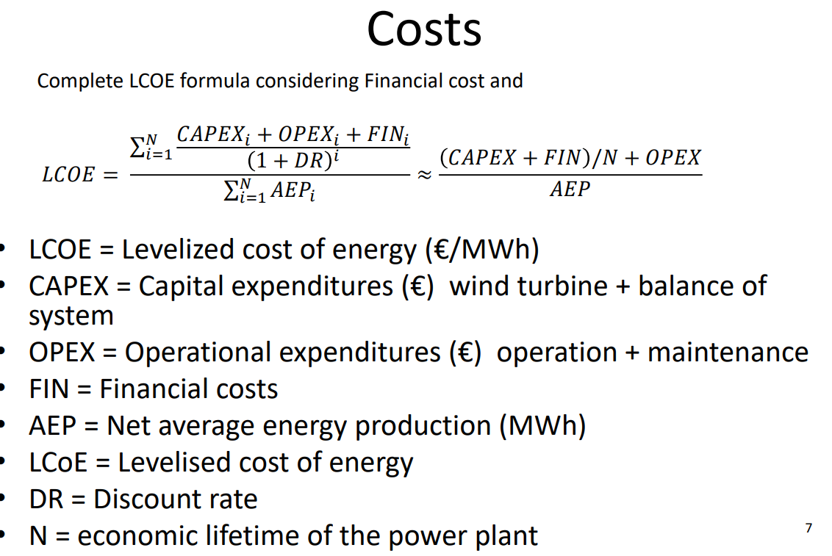
 |  |  |  |  |  |  |  |  |  |  | AVERGED LOSSES | 20%
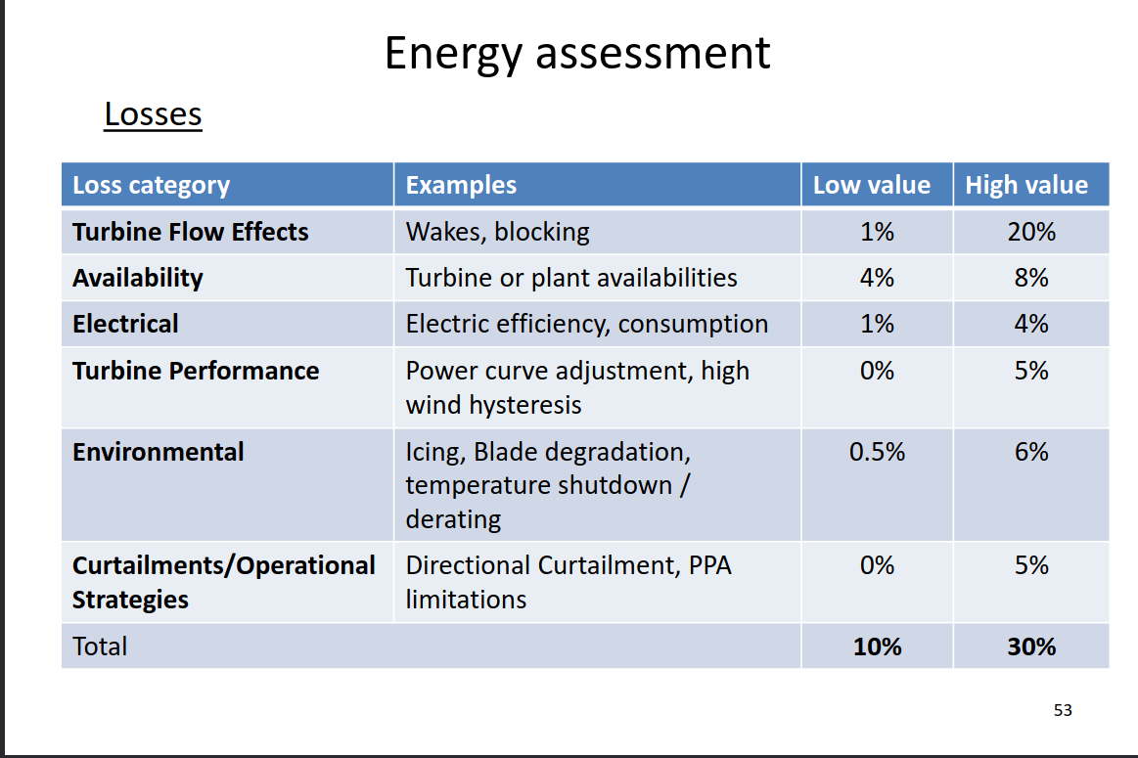

 |  |  |  |  |  |  |  |  |  |  |  |  |  |  |  |  |  |  |  |  | The same cost but with more complicated formula

 |  |  |  |  |  |  |  |  |  |  |  |  |  |  |  |  |  |  |  |  | https://ycharts.com/indicators/spain_long_term_interest_rates
 |  |  |  |  |  |  |  |  |  |  |  |  |  |  |  |  |  |  |  |  | LOAN INTEREST RATE | 1% | 3% | 3.71% | 5% | 7%

 |  |  |  |  |  |  |  |  |  |  |  |  |  |  |  |  |  |  |  |  | Annual payment | -276,698.63 € | -341,345.83 € | -366,080.55 € | -413,279.57 € | -491,807.41 €
 |  |  |  |  |  |  |  |  |  |  |  |  |  |  |  |  |  |  |  |  | total payment | -6,087,369.83 € | -7,509,608.21 € | -8,053,772.17 € | -9,092,150.46 € | -10,819,762.94 €

 |  |  |  |  |  |  |  |  |  |  |  |  |  |  |  |  |  |  |  |  | FIN | -647,369.83 € | -2,069,608.21 € | -2,613,772.17 € | -3,652,150.46 € | -5,379,762.94 €
 |  |  |  |  |  |  |  |  |  |  |  |  |  |  |  |  |  |  |  |  | annual cost | -29,425.90 € | -94,073.10 € | -118,807.83 € | -166,006.84 € | -244,534.68 €

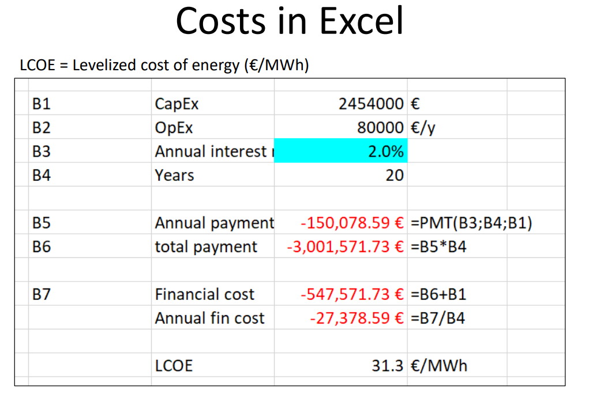
 |  |  |  |  |  |  |  |  |  |  |  |  |  |  |  |  |  |  |  |  | LCOE | 17.48 € | 19.72 € | 20.57 € | 22.20 € | 24.91 €

 |  |  |  |  |  |  |  |  |  |  |  |  |  |  |  |  |  |  |  |  | OMMIE
 |  |  |  |  |  |  |  |  |  |  |  |  |  |  |  |  |  |  |  |  | Mwh
 |  |  |  |  |  |  |  |  |  |  |  |  |  |  |  |  |  |  |  |  | Mes | Precio mínimo | Precio medio aritmético | Precio máximo
 |  |  |  |  |  |  |  |  |  |  |  |  |  |  |  |  |  |  |  |  | Ene | 0 | 69.55 | 220
 |  |  |  |  |  |  |  |  |  |  |  |  |  |  |  |  |  |  |  |  | Feb | 4.16 | 133.47 | 189.74
 |  |  |  |  |  |  |  |  |  |  |  |  |  |  |  |  |  |  |  |  | Mar | 0 | 89.61 | 190
 |  |  |  |  |  |  |  |  |  |  |  |  |  |  |  |  |  |  |  |  | Abr | 0 | 73.73 | 166.06
 |  |  |  |  |  |  |  |  |  |  |  |  |  |  |  |  |  |  |  |  | May | 0 | 74.21 | 148.16

 |  |  |  |  |  |  |  |  |  |  |  |  |  |  |  |  |  |  |  |  | Jun | 0 | 93.02 | 156.13
 |  |  |  |  |  |  |  |  |  |  |  |  |  |  |  |  |  |  |  |  | Jul | 0 | 90.47 | 151.65
 |  |  |  |  |  |  |  |  |  |  |  |  |  |  |  |  |  |  |  |  | Ago | 0 | 96.05 | 180.34
 |  |  |  |  |  |  |  |  |  |  |  |  |  |  |  |  |  |  |  |  | Sep | 0 | 103.34 | 170

 |  |  |  |  |  |  |  |  |  |  |  |  |  |  |  |  |  |  |  |  |  | precio medio del año (hasta septiembre) | 91.49444444 | €/Mwh

 |  |  |  |  |  |  |  |  |  |  |  |  |  |  |  |  |  |  |  |  | LOAN INTEREST RATE | 1% | 3% | 3.71% | 5% | 7%
 |  |  |  |  |  |  |  |  |  |  |  |  |  |  |  |  |  |  |  |  | PROFIT PER MW | 74.01 € | 71.78 € | 70.93 € | 69.30 € | 66.59 €

